Sample Claim Form
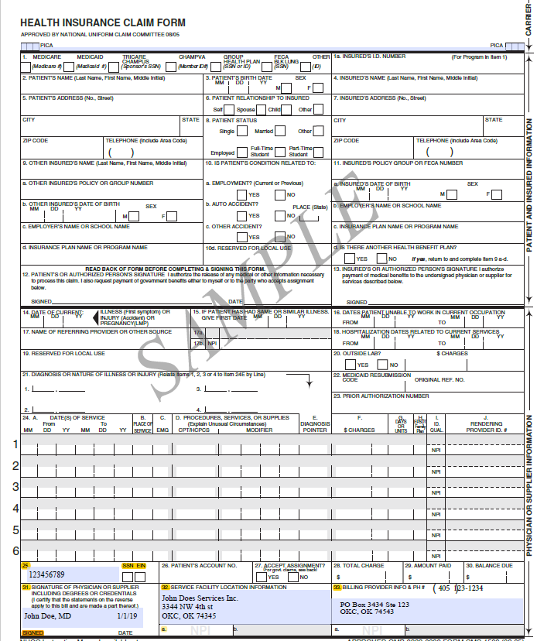

Ex

Complete Boxes:
25, 31, 32, 33

